Sheet1
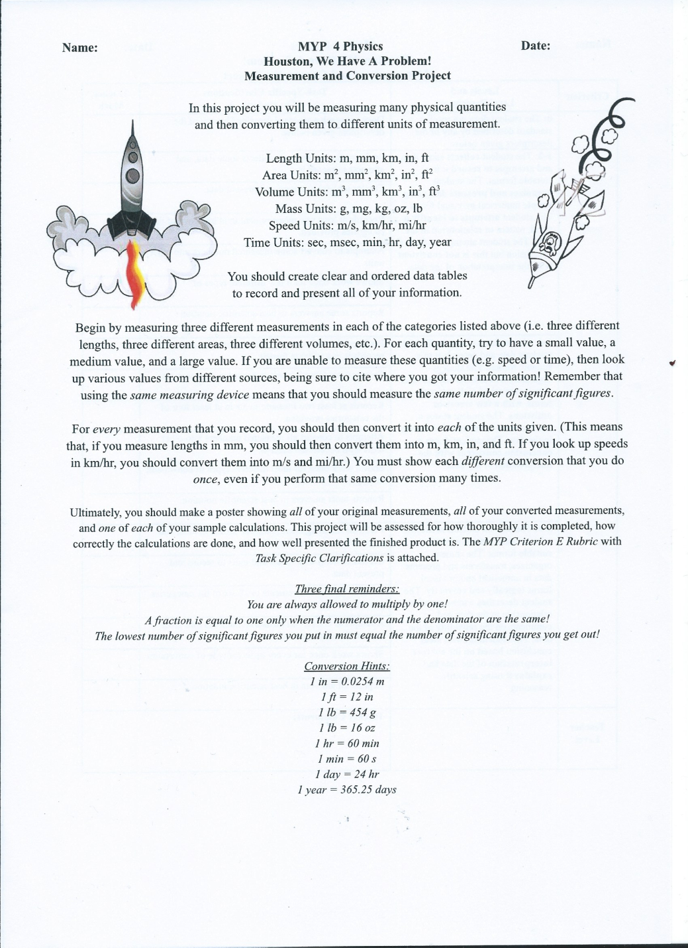
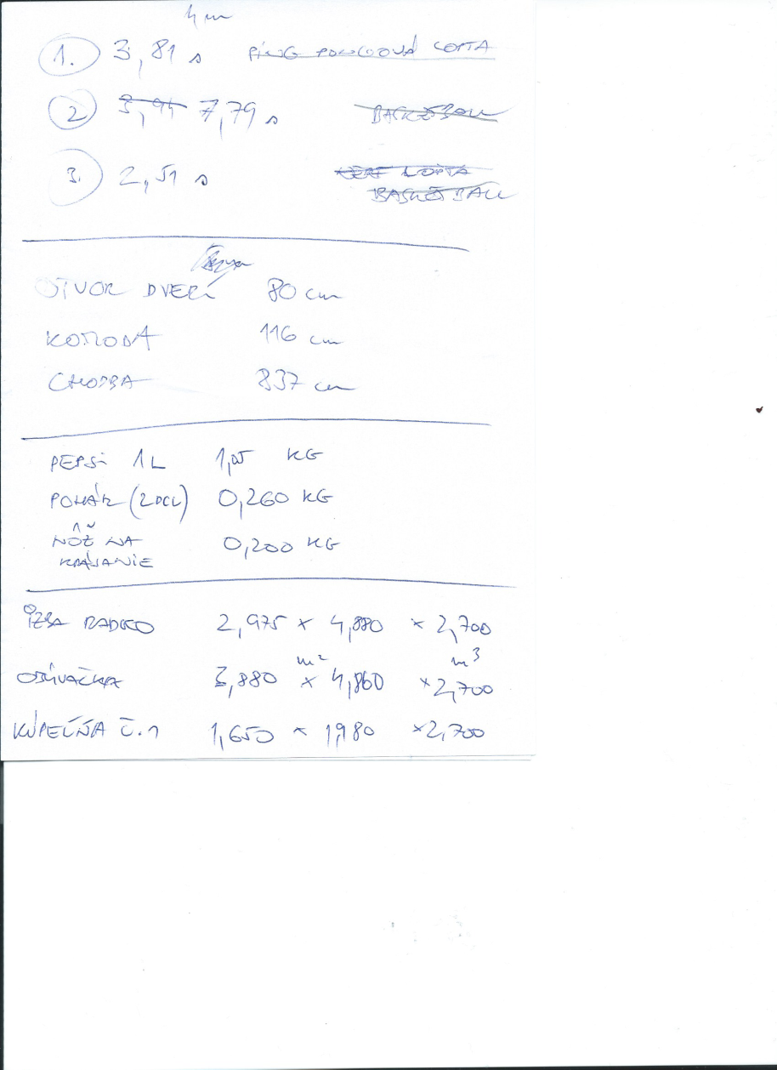
time (s) | speed (m/s) | length (m) | mass (g) | area (m^2) | volume (m^3)
2.51 | 0.6275 | 0.8 | 200 | 14.52 | 39.20
3.81 | 0.9525 | 1.16 | 260 | 18.86 | 50.91
7.79 | 1.9475 | 8.37 | 1050 | 3.27 | 8.82

time (ms) | speed (km/hr) | length (mm) | mass (kg) | area (mm^2) | volume (mm^3)
2510 | 2.259 | 800 | 0.20 | 14518000 | 39198600000
3810 | 3.429 | 1160 | 0.26 | 18856800 | 50913360000
7790 | 7.011 | 8370 | 1.05 | 3267000 | 8820900000

time (m) | speed (mi/hr) | length (km) | mass (mg) | area (km^2) | volume (km^3)
0.041833333333 | 3.634731 | 0.0008 | 200000 | 0.000014518 | 3.91986E-08
0.0635 | 5.517261 | 0.00116 | 260000 | 1.88568E-05 | 5.091336E-08
0.12983333333 | 11.280699 | 0.00837 | 1050000 | 0.000003267 | 8.8209E-09

time (hr) |  | length (in) | mass (oz) | area (in^2) | volume (in^3)
0.00069722222222 |  | 31.496 | 7.0546737213 | 22502.90 | 2391898.572
0.0010583333333 |  | 45.6692 | 9.1710758377 | 29228.04 | 3106733.2272
0.0021638888889 |  | 329.5269 | 37.037037037 | 5063.85 | 538251.318

time (day) |  | length (ft) | mass (lb) | area (ft^2) | volume (ft^3)
2.9050925926E-05 |  | 2.6246666667 | 0.44091710758 | 156.27013889 | 1384.2005625
4.4097222222E-05 |  | 3.8057666667 | 0.57319223986 | 202.9725 | 1797.878025
9.0162037037E-05 |  | 27.460575 | 2.3148148148 | 35.165625 | 311.48803125

time (year)
7.9537100413E-08
1.2073161457E-07
2.4685020407E-07

